Dashboard
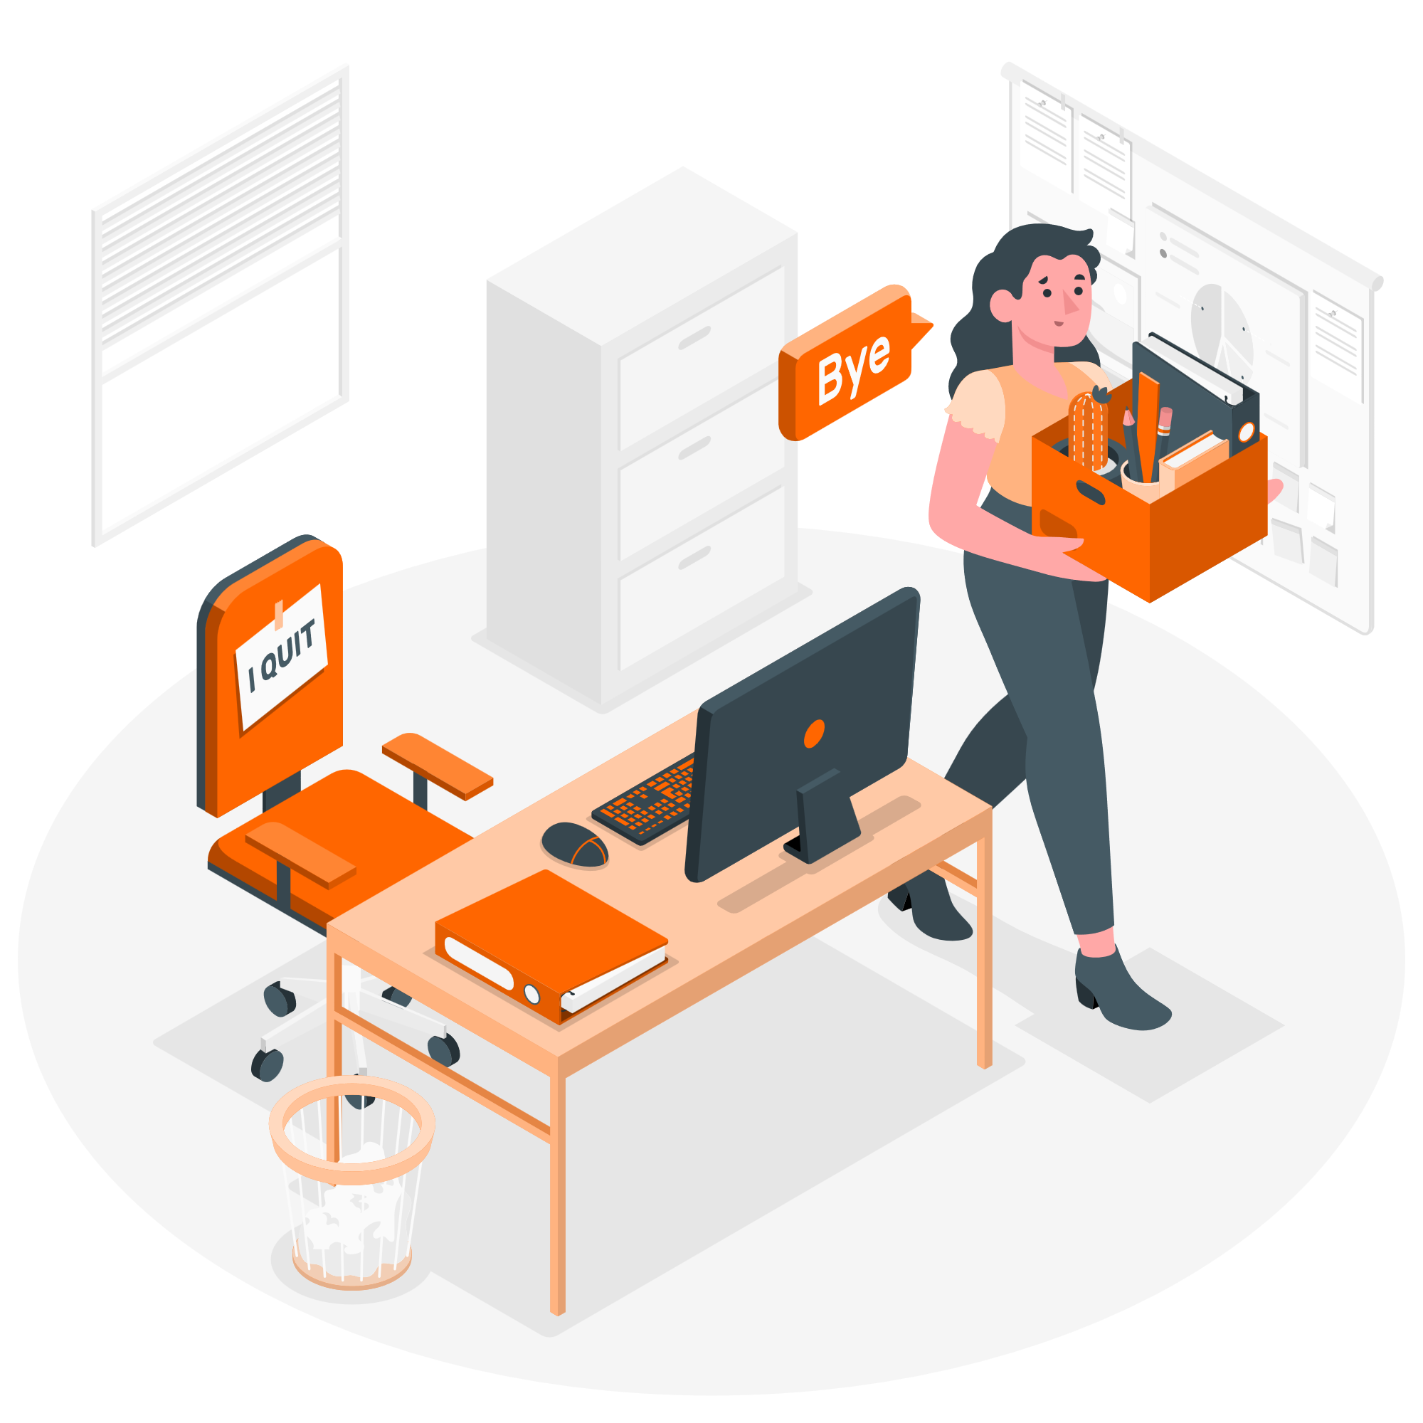
HR Analytics Dashboard

Highlights of Employees and Salary Structure

47,928,375
Total Salary
64,681
Average Salary
21,001
Minimum Salary
126,627
Maximum Salary
741

Total Employees

% of staff by Employment Type
More than 50% of the staff are full time employees
Total salary by Employment Type We spend most of our total salary on full time staff.
 | Total Salary
Full Time | 34,544,280
Contract | 6,635,909
Half-Time | 3,040,565
Hourly | 3,707,621

Average salary by Employment Type
 | Avg Salary
Full Time | 92,364
Contract | 52,666
Half-Time | 25,338
Hourly | 30,641
 | No of Staff
Full Time | 374
Contract | 126
Half-Time | 120
Hourly | 121


Top 10 Department by Number of Staff Manufacturing Department has the highest number of staff
 | No of Staff
Research Center | 5
ADC | 5
Research/Development | 5
Manufacturing Admin | 7
Green Building | 8
Major Mfg Projects | 8
Environmental Health/Safety | 9
Human Resources | 9
Environmental Compliance | 14
Professional Training Group | 16
Training | 17
Creative | 19
Sales | 21
Product Development | 38
IT | 44
Marketing | 51
Facilities/Engineering | 59
Quality Assurance | 73
Account Management | 88
Quality Control | 94
Manufacturing | 151
Top 10 Departments by Average Salary
 | Avg Salary
Human Resources | 38,729
Environmental Health/Safety | 48,757
Manufacturing | 59,289
Creative | 59,463
Major Mfg Projects | 61,426
Research/Development | 61,498
Product Development | 63,011
Quality Control | 63,289
Training | 64,102
Quality Assurance | 64,143
Account Management | 64,812
Green Building | 65,127
Sales | 66,311
Facilities/Engineering | 68,040
ADC | 68,738
Research Center | 69,423
Marketing | 71,603
IT | 73,274
Professional Training Group | 77,326
Manufacturing Admin | 80,343
Environmental Compliance | 81,885
Number of New Staff by Year
 | No of Staff
2004 | 63
2005 | 66
2006 | 39
2007 | 26
2008 | 20
2009 | 25
2010 | 15
2011 | 4
2012 | 63
2013 | 92
2014 | 72
2015 | 30
2016 | 92
2017 | 75
2018 | 53
2019 | 6

